Sheet1
UNFUNDED LIST GRANT PROPOSAL EVALUATION MATRIX - SCORE 1, 2, or 3
 | LOW (1) | MED (2) | HIGH (3) | SCORE | Weight | Final
APPLICATION
Is this a complete application with correct grammar and spelling? | Application is incomplete and/or has grammatical errors. | Contains some errors and/or incomplete thoughts but is generally readable and gets the point across. | Application is complete and flawless grammatically. |  | 0.5 | 0
Is it accurate? Does it contain factual errors or misleading statements. | Application includes multiple factual inaccuracies that are either intentional or the result of a misinformed applicant. | Applicant goes a little too far with certain statements and/or gets one or two things wrong or misinterpreted. | Everything in this application is correct and it has no misleading sections. |  | 0.5 | 0
IDEA |  |  |  |  |  | 0
Is this a great and original idea? | No. Others have had this idea before and/or it's a bad or flawed concept. | This is a new take on an existing idea and/or approach. | This is a fantastic and new idea. |  | 2 | 0
Is the idea described completley? | No, I have many unanswered questions. | I have a few questions. | Yes. |  | 1 | 0
Has the applicant correctly and thoroughly identified all of the potential obstacles to this idea? | No. | Somewhat. | Yes. |  | 1 | 0
COLLABORATION |  |  |  |  |  | 0
Does this idea leverage partnerships and collaboration appropriately? | No, the proposal doesn't even mention collaboration or partnerships. | The idea only discusses external collaboration and not internal or vice verse or fails to properly identify potential partnerships or collaborations. | Yes - the potential partnerships and collaborations in this idea are one of the strengths strengths. |  | 3 | 0
ORGANIZATION |  |  |  |  |  | 0
Is this organization capable of executing this idea? | No, organization is too small (or too big) or otherwise lacks talent, resources, or experience to properly execute this idea. | This organization could use more resources but has sufficient human and financial capital to carry out this idea. | Organization is ideally assembled to execute this idea. No other organization could do it better. |  | 1.5 | 0
BUDGET |  |  |  |  |  | 0
Is there a budget? | No. | Yes, but it's incomplete. | Yes and it's thorough and clear. |  | 1 | 0
SUSTAINABILITY |  |  |  |  |  | 0
Does this idea NEED to be sustainable? If so, is there a plan to sustain it? If not, is there a defined end point? | Idea should be sustainable and there is no plan OR idea does not need to be sustainable but organization has no plan to conclude. | Some thought has been put in to either sustaining or concluding this project but more work needs to be done. | Yes, the sustainability (or non-sustainability) of this plan is very planned. |  | 1 | 0
NETWORK/SITUATION |  |  |  |  |  | 0
Is this organization appropriately networked to carry out this idea? | No, organization is not familiar with key actors in this field in a way that will be detrimental to execution. | Organization could be more strongly networked. | Yes, this organization has strong relationships that will benefit idea execution. |  | 1 | 0
Does this idea involve the constituency that it serves? | No, and no effort has been made to do so. | Yes, but this should be more inclusive. | Yes. |  | 2.5 | 0
Is this organization located in the right geographic location to carry out this idea? | Nope, they should move. | Not really, but they're close enough. | Yes. |  | 0.5 | 0
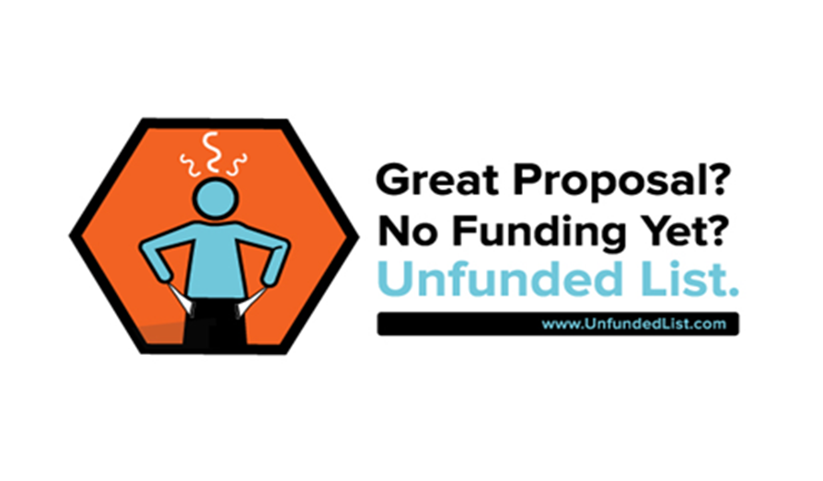
 |  |  |  | Total Score

 |  |  |  |  |  | 0

